1. Title Page
Project Name: Instacart Sales + Customer Analysis
Date: July 2023
Analyst Name: Allie Carlisle

Contents:
Population Flow
Consistency checks
Wrangling steps
Column derivations
Visualizations
Recommendations

Data Citation:
“The Instacart Online Grocery Shopping Dataset 2017”, Accessed from www.instacart.com/datasets/grocery-shopping-2017 via Kaggle on June 10, 2023.

2. Population Flow
 |  | Title page

Population flow

Exclusion flag
Condition: max_order <
Obervations to be removed:
Final total count of order_products_all:

Orders_products_combined
Orders_products_merged
Orders_products_all

Total:
Total: 35,649,363
Total:
35,649,363 | 35,649,363

1.) The grey boxes in the first row of the population flow represent the original data sets as they were when you downloaded them. In the Total fields you need to add the count of the rows when you imported the data set into Jupyter.
2.) The second row of boxes (coloured) represents the data sets after you manipulated them, e.g., removed missing values and duplicates. In the Total fields you need to add the count of the rows after conducting these operations. This offers a visual oveview of how the data flows throughout the data consistency checks.
3.) The third row, where also the arrows are coloured, represents the merges you performed between the datasets. In the Total fields you need to add the count of the rows in the merged datasets, so that you end up with the final dataset (in the red box). Keep in mind the final dataset should be without exclusions (based on the exclusion flag).

3. Consistency checks
 |  |  |  | Title page
Consistency checks

Dataset | Missing values | Missing values treatment | Duplicates
orders | time between orders is missing from 206,209 records | removed them from the dataset | none
products | product_name is missing from 49,693 records | removed them from the dataset | dropped 5 duplicates
orders_products_prior | no missing values | n/a | none
customers | missing values from first_name | leave them alone | none

4. Wrangling steps
 |  |  |  | Title page
Wrangling steps

Columns dropped | Columns renamed | Columns' type changed | Comment/Reason
eval_set from orders.csv |  |  | unneccessary
 | order_dow to orders_days_of_week on orders.csv |  | easier to understand
 | days_since_prior_order to time_between_orders on orders.csv |  | easier to understand
unnamed: 0 from products_checked.csv |  |  | unneccessary
busiest_day from orders_products_merged_2.pkl |  |  | was in there twice
 | first_name, last_name, gender, state, family_status |  | formatting and readability
gender and date_joined from customers.csv |  |  | sensitive pii

5. Column derivations
 |  |  |  |  |  | Title page

Column derivations and aggregations

Dataset | New column | Column/s it was derived from | Conditions
orders_products_merged.pkl | price_range | prices | prices <= 5 is low range product
 |  |  | prices > 5 and prices <= 15 is mid-range product
 |  |  | prices > 15 is high range
 |  |  | else is not enough data | Flag | Frequency
 |  |  |  | loyalty_flag | 30,328,763
orders_products_merged.pkl | price_range_loc | prices | prices <= 5 is low range product | spending_flag | 30,328,763
 |  |  | prices > 5 and prices <= 15 is mid-range product | frequency_flag | 30,328,763
 |  |  | prices > 15 is high range | exlcusion_flag | 30,328,763
 |  |  | else is not enough data

orders_products_merged.pkl | busiest_day | orders_day_of_the_week | if value == 0 or == 1 is busiest days
 |  |  | elif value == 4 or == 4 is slowest days
 |  |  | else append regular days

orders_products_merged.pkl | busiest_time_of_day | order_hour_of_day | if value in [10, 11, 14, 15, 13, 12, 16, 9] is busiest time of day
 |  |  | elif value in [23, 6, 0, 1, 5, 2, 4, 3] is slowest time of day
 |  |  | else append regularly busy time of day

orders_products_merged_2.pkl | loyalty_flag | max_order | max order > 40 is loyal customer
 |  |  | max order <= 40 & max order > 10 is regular customer
 |  |  | max order <= 10 is new customer

region
orders_products_merged_2.pkl | spending_flag | mean_price & price | mean price < 10 is low spender
 |  |  | mean price >= 10 is high spender

orders_products_merged_2.pkl | frequency_flag | median_days & time_between_orders | median days > 20 is non-frequent customer
 |  |  | median days > 10 & median days is <= 20 is regular customer
 |  |  | median days <= 10 is frequency customer

final_merge.pkl | region | state | see screenshot - - >

final_merge.pkl | exclusion_flag | max_order | max_order >= 5 is no
 |  |  | max_order < 5 is yes

df_final_high_orders | age_profile | age | age <= 25 is young adult
 |  |  | age > 25 & < 40 is adult
 |  |  | age >= 40 & < 65 is middle aged
 |  |  | age >= 65 is senior
goods_profile
df_final_high_orders | income_profile | income | income <= 52,200 is lower
 |  |  | income > 52,200 & < 156,600 is middle
 |  |  | income <>= 156,600 is upper

df_final_high_orders | goods_profile | department_id | see screenshot - - >

df_final_high_orders | parent_Status | n_dependants | value == 0 is nonparent
 |  |  | value == 1 is parent
 |  |  | value == 2 is parent
 |  |  | value == 3 is parent

6. Visualizations + Recs
Recommendations
Visualisations

1. What are the busiest days of the week? | 1. From the bar chart on the left, you can see the busiest days in green and the slowest days in red. My recommendation here is for ads to be scheduled during the red days which are Monday - Thursday.

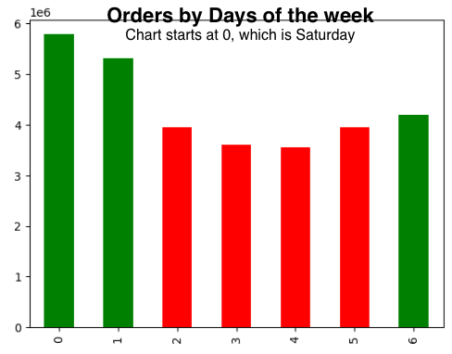

2. What are the busiest times of the day? | 2. From the histogram on the left, you can see the busiest times of day start at 10am and end at 4pm. My recommendation here is to schedule ads outside of these hours. I would suggest to schedule them at 6-9am and 5-8pm.

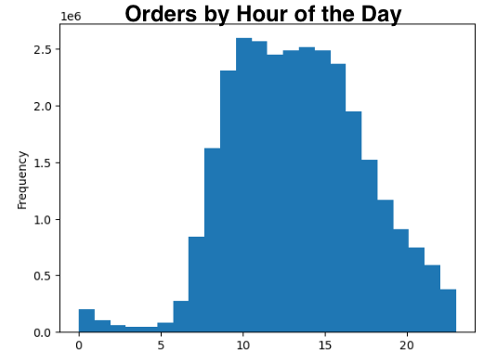

3. Are there times where people spend the most money? | 3. From the line charts below, you can see the breakdown between price and days of the week as well as time of day. Prices are highest on Friday and Saturday as well as 2am and 5am. My recommendation is to advertise products with a higher price tag on these days and times.

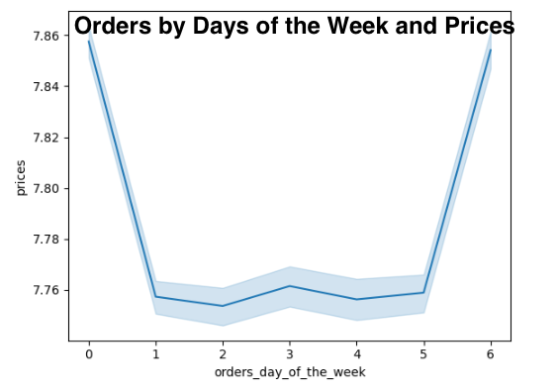
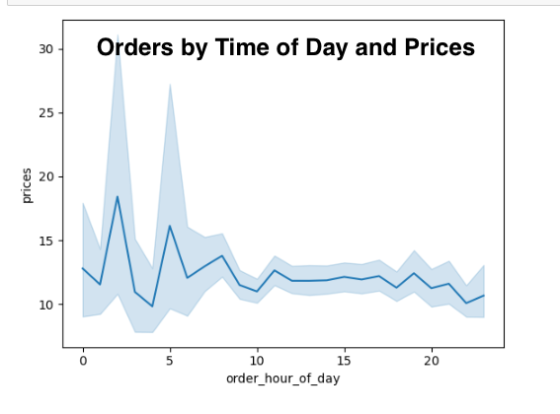

4. What are simpler price range groupings? | 4. From the prices frequency you can see there is a drop start around $15.00. I would suggest grouping into 4 categories - $1.00-4.99, $5.00-9.99, $10.00-14.99, then $15.00+.

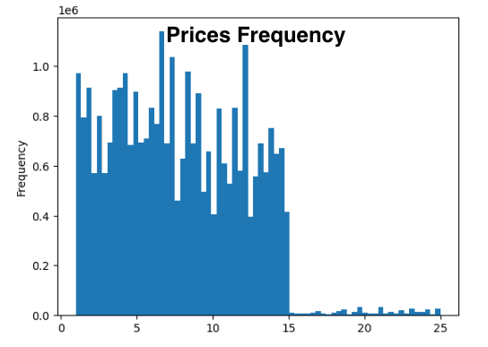

5. Which departments have the higest frequency of orders? | 5. Based on the Visualization under #7, you can see most customers orders from produce, dairy/eggs, and snacks. I would suggest targeting ads to all customers with items from these departments, especially the higher priced items.

6. Describe users brand loyalty: | 6. From the chart on the left, you can see the three different groupings of customers: regular, loyal, and new with the most customers falling under regular. In order to gain more loyal customers, I would suggest offering a membership program with rewards for more frequent orders.

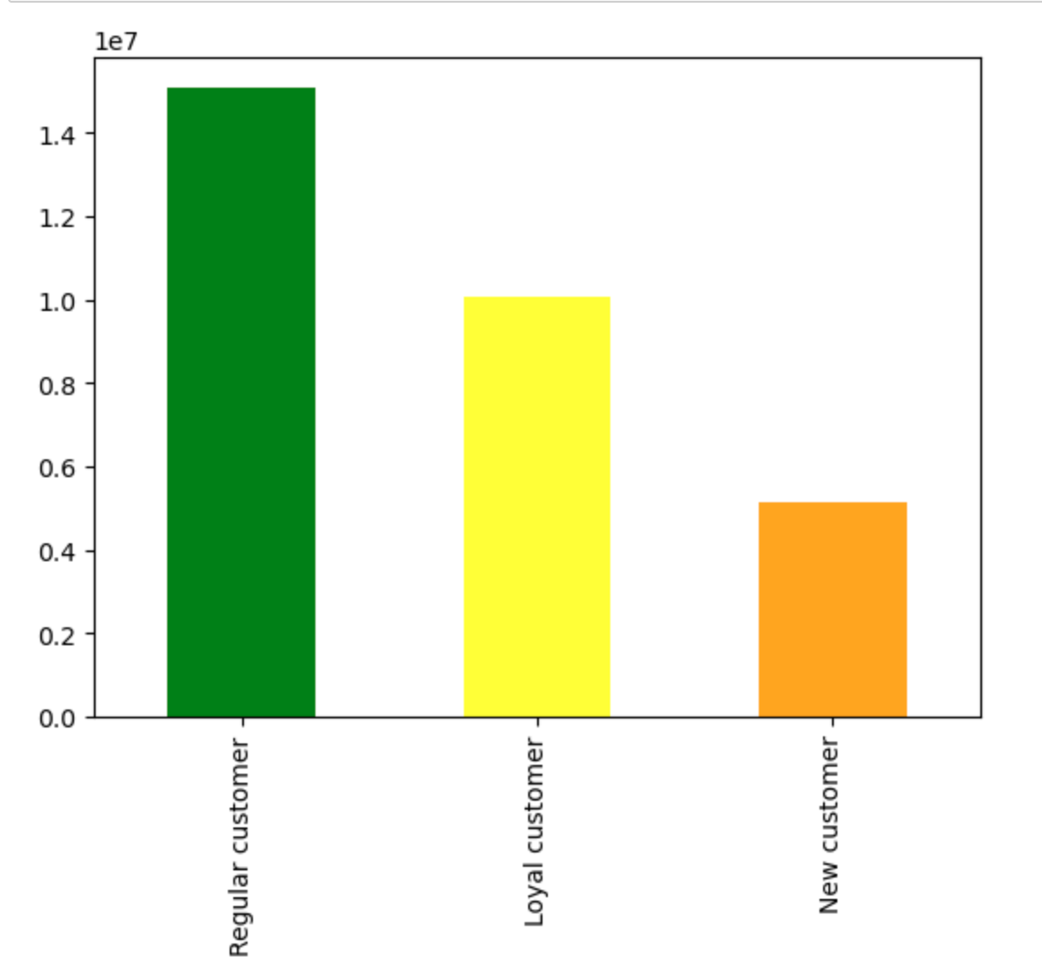

7. Are there differences in ordering habits based on loyalty? | 7. From the charts below, you can see the distribution between department orders and orders by day of the week between customer loyalty looks about the same with regular customers making up the most of the orders. You can see per department, regular customers are highest and new customers are lowest. Regular customers are highest on Saturday and lowest on Wednesday. Loyal customers are highest on Sunday and lowest on Tuesday. New customers are highest on Saturday and lowest on Wednesday.

Customer Loyalty by Department
 | Regular customer | Loyal customer | New customer
frozen | 1079894 | 597620 | 318930
other | 17041 | 10536 | 4995
bakery | 540152 | 372925 | 147535
produce | 4368605 | 3089439 | 1150657
alcohol | 72932 | 38081 | 23854
international | 126662 | 76785 | 37422
beverages | 1255601 | 840147 | 341838
pets | 49268 | 25011 | 13526
dry goods pasta | 412110 | 237845 | 124038
bulk | 14805 | 13595 | 3598
personal care | 213883 | 121367 | 64489
meat seafood | 341951 | 198741 | 96584
pantry | 875037 | 550138 | 256216
breakfast | 325180 | 217325 | 90964
canned goods | 510695 | 289296 | 154458
dairy eggs | 2467795 | 1797296 | 644262
household | 355591 | 193428 | 109956
babies | 187091 | 164126 | 40490
snacks | 1339661 | 925573 | 355299
deli | 494420 | 317771 | 135362
missing | 33317 | 18336 | 11736
Order Days of the Week by Customer Loyalty Status
 | Regular customer | Loyal customer | New customer
Saturday | 3004813 | 1717918 | 845568
Sunday | 2611435 | 1809749 | 704416
Monday | 1946059 | 1330526 | 537479
Tuesday | 1751519 | 1246650 | 480505
Wednesday | 1710199 | 1270311 | 461181
Thursday | 1892196 | 1431148 | 506673
Friday | 2165470 | 1289079 | 590387

8. Are there differences in ordering habits based on a customer's region? | 8. The most customers come from the South and the least customers come from the Northeast, however there is no difference between a high and low spender. My suggestion here is to advertise to the West as this is a region where we could secure higher numbers of customers.

U.S. Regions by Type of Spender
 | High spender | Low spender
South | 197110 | 9902707
West | 149922 | 7615166
Midwest | 148321 | 6959265
Northeast | 102905 | 5253367

9. Is there a connection between age and family status in terms of ordering habits? | 9. You can see the breakdown between age and parental status looks the same across each region and department. Most customers are middle-aged and lowest customers are young adult. Also, between parents and nonparents there are most orders in the fresh department and lowest in househould supplies. I would suggest creating ads with fresh department items like produce and dairy/eggs to middle-aged individuals.

Customers by Age and Department
 | Fresh | Dry | Household Supplies
Middle Aged | 6303853 | 4506498 | 643350
Senior | 4281216 | 3042939 | 430405
Adult | 3565764 | 2517106 | 355565
Young Adult | 2012662 | 1439056 | 204867
Departments by Parental Status
 | Parent | Nonparent
Fresh | 12116266 | 4047229
Dry | 8634031 | 2871568
Household Supplies | 1228097 | 406090

10. What different classifications does the demographic information suggest? | 10. Per the 4 pie charts, you can see the breakdown of age, parental status, income, and goods. Most customers are middle aged, parents, with middle income, shopping in the fresh food department. This is a helpful insight as it shows what are highest customer profile is. A suggestion here is to continue marketing efforts towards this type of customer profile as they are likely to be a good fit as an Instacart customer.

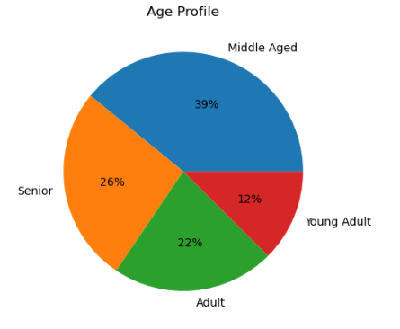

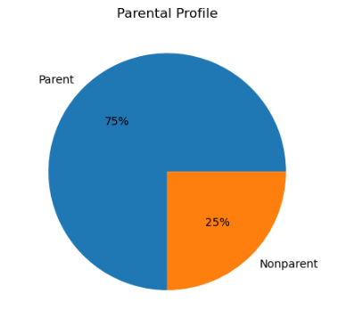

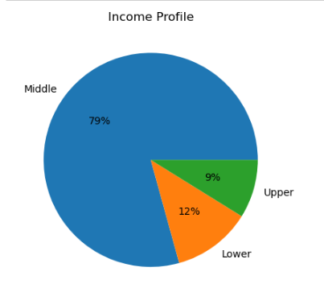

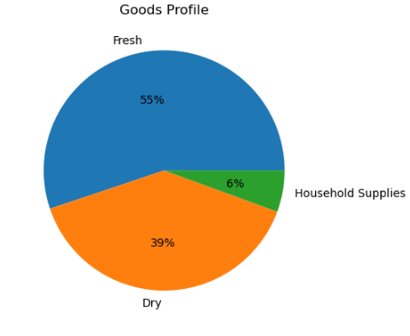

11. What differences can you find in ordering habits of different customer profiles? | 11. Per the charts on the left, most customer profiles offer the same type of ordering habits. One observation is the middle income customers are significantly higher than upper and lower income customers no matter the region. I would suggest further analyzing this middle income group, so Instacart marketing can narrow the ideal customer down.

U.S. Regions by Parental Status
 | Parent | Nonparent
South | 7313921 | 2442952
West | 5629157 | 1875971
Midwest | 5143200 | 1725219
Northeast | 3892116 | 1280745

Customer by Age and Region
 | Middle Aged | Senior | Adult | Young Adult
South | 3778220 | 2562259 | 2172050 | 1244344
West | 2961438 | 1986203 | 1638835 | 918652
Midwest | 2719661 | 1799686 | 1499323 | 849749
Northeast | 1994382 | 1406412 | 1128227 | 643840

U.S. Regions by Income Status
 | Middle | Lower | Upper
South | 7698822 | 1185808 | 872243
West | 5973304 | 867657 | 664167
Midwest | 5450727 | 815344 | 602348
Northeast | 4110679 | 611409 | 450773

U.S. Regions by Departments
 | Fresh | Dry | Household Supplies
South | 5382506 | 3830314 | 544053
West | 4144095 | 2948566 | 412467
Midwest | 3789423 | 2692742 | 386254
Northeast | 2847471 | 2033977 | 291413

11. What differences can you find in ordering habits of different customer profiles?

Departments by Parental Status
 | Parent | Nonparent
Fresh | 12116266 | 4047229
Dry | 8634031 | 2871568
Household Supplies | 1228097 | 406090

Customers by Age and Department
 | Fresh | Dry | Household Supplies
Middle Aged | 6303853 | 4506498 | 643350
Senior | 4281216 | 3042939 | 430405
Adult | 3565764 | 2517106 | 355565
Young Adult | 2012662 | 1439056 | 204867

Departments by Income Status
 | Middle | Lower | Upper
Fresh | 13083176 | 1650177 | 1430142
Dry | 8857279 | 1640274 | 1008046
Household Supplies | 1293077 | 189767 | 151343

Age
 |  |  |  |  |  | Age | South | West | Midwest | Northeast
 |  |  |  |  |  | Middle Aged | 3778220 | 2961438 | 2719661 | 1994382
 |  |  |  |  |  | Senior | 2562259 | 1986203 | 1799686 | 1406412
 |  |  |  |  |  | Adult | 2172050 | 1638835 | 1499323 | 1128227
 |  |  |  |  |  | Young Adult | 1244344 | 918652 | 849749 | 643840

Customer by Age and Region

Customers by Age and Department

Age | Fresh | Dry | Household Supplies
Middle Aged | 6303853 | 4506498 | 643350
Senior | 4281216 | 3042939 | 430405
Adult | 3565764 | 2517106 | 355565
Young Adult | 2012662 | 1439056 | 204867

Age | frozen | other | bakery | produce | alcohol | international | beverages | pets | dry goods pasta | bulk | personal care | meat seafood | pantry | breakfast | canned goods | dairy eggs | household | babies | snacks | deli | missing
Middle Aged | 781578 | 12654 | 415465 | 3357880 | 52498 | 94181 | 960556 | 33918 | 302514 | 12361 | 158723 | 248354 | 658541 | 249010 | 372323 | 1911289 | 257882 | 155381 | 1022936 | 370865 | 24792
Senior | 531180 | 8464 | 279817 | 2283191 | 34183 | 63185 | 648309 | 23855 | 204580 | 8564 | 104507 | 171141 | 445398 | 165273 | 252134 | 1296733 | 175739 | 101291 | 690133 | 250334 | 16549
Adult | 433693 | 7231 | 233052 | 1898302 | 30335 | 53077 | 526893 | 18122 | 168776 | 6954 | 86571 | 137820 | 367911 | 138247 | 210884 | 1087534 | 143509 | 86292 | 580336 | 209056 | 13840
Young Adult | 249993 | 4223 | 132278 | 1069328 | 17851 | 30426 | 301828 | 11910 | 98123 | 4119 | 49938 | 79961 | 209541 | 80939 | 119108 | 613797 | 81845 | 48743 | 327128 | 117298 | 8208

Income
Income | South | West | Midwest | Northeast
Middle | 7698822 | 5973304 | 5450727 | 4110679
Lower | 1185808 | 867657 | 815344 | 611409
Upper | 872243 | 664167 | 602348 | 450773

U.S. Regions by Income Status

Departments by Income Status
Income | Fresh | Dry | Household Supplies
Middle | 13083176 | 8857279 | 1293077
Lower | 1650177 | 1640274 | 189767
Upper | 1430142 | 1008046 | 151343

Goods
Departments | South | West | Midwest | Northeast
Fresh | 5382506 | 4144095 | 3789423 | 2847471
Dry | 3830314 | 2948566 | 2692742 | 2033977
Household Supplies | 544053 | 412467 | 386254 | 291413

U.S. Regions by Departments

Parent_Status
Parental Status | South | West | Midwest | Northeast
Parent | 7313921 | 5629157 | 5143200 | 3892116
Nonparent | 2442952 | 1875971 | 1725219 | 1280745

U.S. Regions by Parental Status

Departments by Parental Status
Parental Status | Fresh | Dry | Household Supplies
Parent | 12116266 | 8634031 | 1228097
Nonparent | 4047229 | 2871568 | 406090

